Example Background
The Quality Sweaters Company sells hand-knitted sweaters. The company is planning to print a catalog of its products and undertake a direct mail campaign. The cost of printing the catalog is $20,000 plus $0.10 per catalog. The cost of mailing each catalog (including postage, order forms, and buying names from a mail-order database) is $0.15. In addition, the company plans to include direct reply envelopes in its mailings and incurs $0.20 in extra costs for each direct mail envelope used by a respondent. The average size of a customer order is $40, and the company’s variable cost per order (primarily due to labor and material costs) averages about 80% of the order’s value—that is, $32. The company plans to mail 100,000 cata logs. It wants to develop a spreadsheet model to answer the following questions:
1. How does a change in the response rate affect profit?
2. For what response rate does the company break even?
3. If the company estimates a response rate of 3%, should it proceed with the mailing?
4. How does the presence of uncertainty affect the usefulness of the model?

Big Picture
If the BigPicture add-in is loaded, run its slideshow to see explanations of this diagram.
Breakeven Analysis

Average order size ($)
Number of responses
Response rate

Variable cost per order
Total revenue

Number mailed
Profit
Total variable cost of orders

Variable cost of printing and mailing
Total variable cost of printing and mailing
Total cost

Fixed cost of printing

Model
Quality Sweaters direct mail model

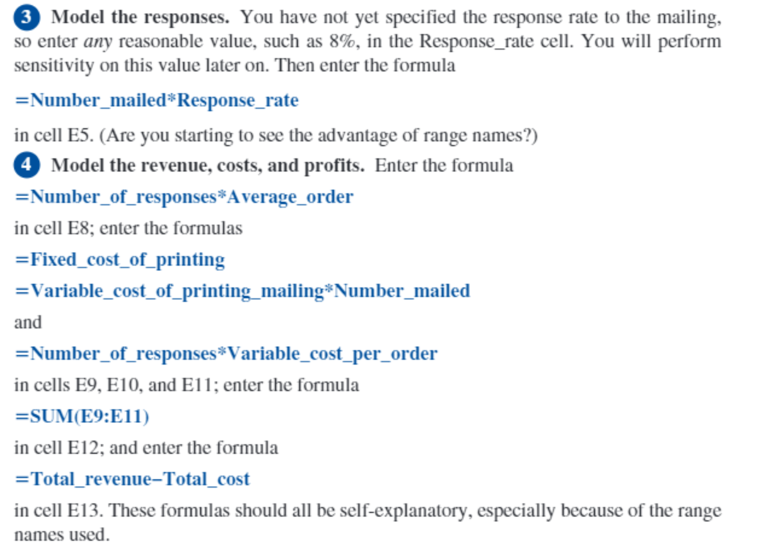
Catalog inputs |  | Model of responses
Fixed cost of printing | $20,000 | Response rate | 5.77%
Variable cost of printing mailing | $0.25 | Number of responses | 5769.2307692

Decision variable |  | Model of revenue, costs, and profit
Number mailed | 100000 | Total Revenue | $230,769
 |  | Fixed cost of printing (Calculation) | $20,000
Order inputs |  | Total variable cost of printing mailing | $25,000
Average order | $40 | Total variable cost of orders | $185,769
Variable cost per order | $32.20 | Total cost | $0

 | Profit
1% | 40000
2% | 80000
3% | 120000
4% | 160000
5% | 200000
6% | 240000
7% | 280000
8% | 320000
9% | 360000
10% | 400000
 |  | Profit | 230769.23077
Question 1 - sensitivity of profit to response rate
Response rate | Profit
 | 230769.23077
1% | 40000
2% | 80000
3% | 120000
4% | 160000
5% | 200000
6% | 240000
7% | 280000
8% | 320000
9% | 360000
10% | 400000

Question 2 - breakeven response rate
6%

Question 3 - If the company estimates a response rate of 3%, should it proceed with the mailing?
 | No they should not … the break even response rate is 6%
Question 4 - How does the presence of uncertainty affect the usefulness of the model?

Number mailed | Profit
 | 230769.23077
80,000 | 80000
90,000 | 90000
100,000 | 100000
110,000 | 110000
120,000 | 120000
130,000 | 130000
130,000 | 130000
130,000 | 130000

Number mailed | Profit
 | 230769.23077
80,000 | 184615.38462
90,000 | 207692.30769
100,000 | 230769.23077
110,000 | 253846.15385
120,000 | 276923.07692
130,000 | 300000
140,000 | 323076.92308
150,000 | 346153.84615

